HeatMap
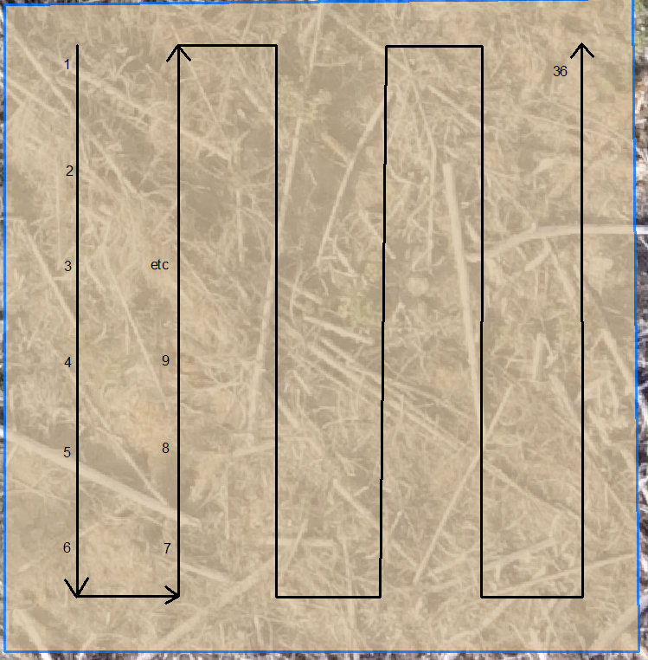
Sx | Sx | Sx | Pli | Pli | Pli | Lw | Lw | Lw | Fdi | Fdi | Fdi | Cw | Cw | Cw
39619 | 8482 | 63594 | 32274 | 13903 | 63705 | 39282 | 35192 | 63578 | 48678 | 8492 | 63540 | 53977 | 48519 | 40106
Local | Near | Far | Local | Near | Far | Local | Near | Far | Local | Near | Far | Local | Near | Far
 |  |  |  |  |  |  |  |  |  |  |  |  |  |  | 2019 Fall Survival Surveys |  |  |  |  |  |  |  |  |  |  |  |  |  |  |  |  |  | 2020 Spring Survival Surveys |  |  |  |  |  |  |  |  |  |  |  |  |  |  |  |  |  | 2020 Fall Survival Surveys
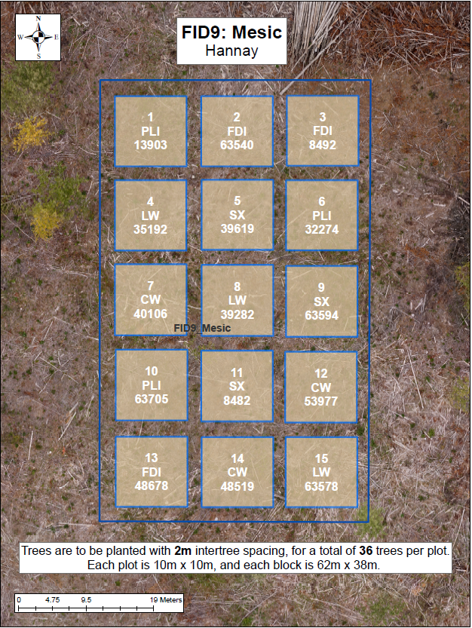
 |  |  |  |  |  |  |  |  |  |  |  |  |  |  | Good | Good | Good | Good | Good | Good | Fair | Good | Fair | Fair | Poor | Poor | Fair | Good | Fair | Fair | Fair | Fair | Good | Fair | Good | Good | Good | Fair | Fair | Poor | Fair | Fair | Poor | Fair | Fair | Good | Fair | Fair | Poor | Fair | Good | Good | Fair | Good | Good | Good | Poor | Fair | Fair | Fair | Poor | Fair | Good | Fair | Good | Good | Dead | Fair
 |  |  |  |  |  |  |  |  |  |  |  |  |  |  | Good | Good | Good | Fair | Good | Fair | Fair | Fair | Fair | Poor | Poor | Fair | Good | Poor | Poor | Fair | Fair | Fair | Good | Good | Good | Good | Good | Good | Fair | Fair | Fair | Poor | Poor | Poor | Fair | Poor | Poor | Good | Fair | Fair | Good | Good | Good | Good | Good | Fair | Poor | Poor | Good | Poor | Poor | Fair | Good | Poor | Poor | Fair | Good | Fair
 |  |  |  |  |  |  |  |  |  |  |  |  |  |  | Good | Good | Good | Fair | Good | Good | Fair | Good | Good | Fair | Poor | Poor | Good | Fair | Fair | Good | Fair | Fair | Good | Good | Good | Fair | Good | Good | Fair | Fair | Good | Fair | Poor | Poor | Fair | Fair | Good | Good | Fair | Fair | Good | Good | Good | Fair | Good | Good | Fair | Fair | Good | Good | Poor | Poor | Good | Fair | Good | Good | Good | Good
 |  |  |  |  |  |  |  |  |  |  |  |  |  |  | Good | Good | Good | Good | Good | Good | Poor | Poor | Fair | Poor | Good | Fair | Good | Good | Fair | Fair | Poor | Poor | Good | Good | Fair | Good | Good | Good | Poor | Poor | Poor | Poor | Fair | Fair | Fair | Fair | Fair | Fair | Fair | Poor | Good | Good | Good | Good | Good | Good | Poor | Poor | Poor | Poor | Fair | Fair | Fair | Good | Good | Fair | Fair | Poor
 |  |  |  |  |  |  |  |  |  |  |  |  |  |  | Good | Good | Good | Good | Good | Good | Fair | Good | Fair | Fair | Fair | Fair | Fair | Fair | Fair | Poor | Poor | Good | Good | Good | Good | Good | Good | Fair | Poor | Fair | Poor | Poor | Fair | Fair | Fair | Fair | Fair | Fair | Fair | Good | Good | Good | Good | Good | Good | Good | Dead | Dead | Fair | Poor | Fair | Fair | Good | Fair | Dead | Fair | Poor | Fair
 |  |  |  |  |  |  |  |  |  |  |  |  |  |  | Good | Fair | Good | Good | Good | Good | Poor | Poor | Poor | Poor | Fair | Poor | Good | Poor | Poor | Fair | Good | Fair | Good | Good | Fair | Good | Good | Good | Fair | Poor | Poor | Poor | Poor | Poor | Fair | Fair | Poor | Fair | Good | Good | Good | Good | Good | Good | Good | Good | Poor | Poor | Fair | Poor | Moribund | Poor | Fair | Fair | Fair | Good | Good | Good

 |  |  |  |  |  |  |  |  |  |  |  |  |  |  | Good | Good | Good | Good | Good | Good | Good | Good | Good | Good | Fair | Fair | Good | Good | Good | Fair | Good | Good | Fair | Good | Good | Good | Poor | Good | Good | Good | Good | Good | Fair | Fair | Good | Good | Good | Fair | Good | Good | Fair | Good | Good | Good | Good | Good | Good | Good | Good | Fair | Fair | Fair | Good | Good | Fair | Fair | Good | Good
 |  |  |  |  |  |  |  |  |  |  |  |  |  |  | Good | Good | Missing | Poor | Poor | Fair | Good | Good | Good | Good | Fair | Fair | Good | Fair | Good | Good | Good | Good | Fair | Poor | Missing | Poor | Fair | Poor | Good | Good | Good | Good | Fair | Fair | Good | Fair | Good | Fair | Good | Fair | Good | Fair | Missing | Fair | Poor | Fair | Good | Good | Good | Good | Fair | Fair | Good | Good | Good | Fair | Good | Good
 |  |  |  |  |  |  |  |  |  |  |  |  |  |  | Fair | Fair | Good | Good | Fair | Good | Good | Good | Fair | Poor | Good | Good | Good | Good | Good | Good | Good | Good | Good | Good | Poor | Fair | Poor | Good | Good | Fair | Fair | Fair | Good | Good | Good | Good | Good | Good | Good | Good | Fair | Good | Good | Good | Fair | Good | Good | Good | Fair | Fair | Good | Good | Good | Good | Good | Fair | Good | Good
 |  |  |  |  |  |  |  |  |  |  |  |  |  |  | Good | Fair | Poor | Poor | Poor | Poor | Good | Good | Fair | Fair | Good | Fair | Good | Good | Good | Good | Good | Good | Poor | Fair | Fair | Dead | Fair | Fair | Good | Good | Good | Fair | Good | Fair | Good | Good | Good | Good | Good | Good | Good | Good | Fair | Missing | Good | Fair | Good | Fair | Good | Fair | Fair | Good | Good | Good | Good | Good | Fair | Good
 |  |  |  |  |  |  |  |  |  |  |  |  |  |  | Fair | Fair | Fair | Poor | Fair | Fair | Fair | Fair | Poor | Fair | Good | Good | Good | Good | Good | Good | Good | Good | Good | Fair | Poor | Fair | Fair | Good | Good | Fair | Fair | Fair | Good | Good | Good | Good | Good | Good | Good | Good | Good | Good | Fair | Good | Poor | Poor | Good | Good | Good | Fair | Good | Good | Fair | Good | Good | Good | Good | Good
 |  |  |  |  |  |  |  |  |  |  |  |  |  |  | Good | Fair | Poor | Poor | Good | Fair | Good | Good | Good | Fair | Good | Good | Fair | Good | Fair | Good | Good | Good | Good | Fair | Fair | Poor | Good | Fair | Good | Good | Fair | Fair | Fair | Fair | Good | Good | Fair | Good | Good | Good | Good | Fair | Poor | Poor | Good | Fair | Good | Good | Good | Good | Fair | Good | Fair | Good | Fair | Good | Fair | Good

 |  |  |  |  |  |  |  |  |  |  |  |  |  |  | Fair | Fair | Good | Good | Good | Good | Fair | Poor | Fair | Good | Fair | Fair | Fair | Poor | Good | Good | Good | Good | Fair | Fair | Poor | Fair | Fair | Fair | Good | Fair | Fair | Good | Good | Poor | Fair | Poor | Fair | Good | Good | Good | Poor | Poor | Poor | Good | Good | Fair | Poor | Fair | Good | Good | Good | Poor | Fair | Fair | Good | Good | Good | Good
 |  |  |  |  |  |  |  |  |  |  |  |  |  |  | Good | Good | Fair | Fair | Good | Good | Fair | Good | Fair | Dead | Poor | Fair | Fair | Poor | Poor | Good | Good | Good | Fair | Poor | Poor | Poor | Fair | Fair | Poor | Fair | Fair | Dead | Poor | Fair | Good | Fair | Fair | Fair | Good | Good | Poor | Fair | Poor | Poor | Fair | Good | Fair | Fair | Fair | Dead | Poor | Good | Good | Fair | Good | Good | Good | Fair
 |  |  |  |  |  |  |  |  |  |  |  |  |  |  | Good | Good | Good | Fair | Good | Fair | Fair | Good | Fair | Poor | Fair | Dead | Fair | Good | Fair | Fair | Fair | Fair | Fair | Poor | Poor | Poor | Good | Fair | Good | Fair | Poor | Poor | Fair | Dead | Fair | Good | Good | Fair | Fair | Good | Fair | Poor | Fair | Good | Good | Good | Fair | Fair | Fair | Fair | Poor | Dead | Fair | Good | Good | Fair | Fair | Good
 |  |  |  |  |  |  |  |  |  |  |  |  |  |  | Good | Good | Good | Good | Fair | Good | Fair | Fair | Good | Fair | Good | Good | Good | Good | Good | Good | Good | Good | Fair | Fair | Fair | Poor | Poor | Fair | Good | Fair | Good | Good | Fair | Fair | Good | Good | Good | Good | Good | Fair | Fair | Good | Fair | Good | Poor | Fair | Good | Dead | Good | Good | Good | Good | Good | Good | Good | Good | Good | Good
 |  |  |  |  |  |  |  |  |  |  |  |  |  |  | Good | Good | Good | Good | Good | Fair | Poor | Poor | Fair | Poor | Poor | Good | Good | Good | Fair | Fair | Good | Good | Fair | Good | Poor | Fair | Poor | Poor | Fair | Poor | Poor | Poor | Fair | Good | Good | Good | Fair | Fair | Good | Good | Fair | Good | Good | Good | Good | Poor | Good | Fair | Fair | Dead | Good | Good | Good | Fair | Good | Good | Good | Good
 |  |  |  |  |  |  |  |  |  |  |  |  |  |  | Good | Good | Good | Good | Good | Fair | Fair | Poor | Fair | Dead | Fair | Good | Good | Fair | Good | Good | Good | Good | Fair | Poor | Fair | Fair | Poor | Fair | Fair | Fair | Good | Dead | Fair | Fair | Good | Good | Good | Good | Good | Good | Fair | Fair | Good | Good | Good | Good | Fair | Poor | Good | Dead | Good | Good | Good | Good | Good | Good | Fair | Good

 |  |  |  |  |  |  |  |  |  |  |  |  |  |  | Good | Good | Good | Good | Good | Good | Good | Fair | Good | Good | Good | Fair | Good | Fair | Good | Fair | Good | Fair | Good | Good | Good | Good | Fair | Good | Good | Good | Good | Good | Good | Fair | Poor | Poor | Poor | Poor | Poor | Poor | Good | Good | Good | Good | Good | Good | Good | Good | Good | Fair | Good | Good | Poor | Poor | Fair | Poor | Poor | Poor
 |  |  |  |  |  |  |  |  |  |  |  |  |  |  | Good | Good | Good | Good | Good | Good | Good | Good | Good | Good | Good | Good | Fair | Fair | Fair | Poor | Good | Fair | Good | Good | Good | Good | Good | Good | Good | Good | Good | Good | Good | Good | Poor | Poor | Poor | Poor | Poor | Moribund | Good | Good | Good | Good | Good | Good | Good | Good | Good | Good | Good | Good | Fair | Fair | Fair | Poor | Good | Moribund
 |  |  |  |  |  |  |  |  |  |  |  |  |  |  | Good | Good | Good | Poor | Good | Good | Good | Good | Good | Fair | Good | Good | Good | Good | Fair | Fair | Fair | Poor | Good | Good | Fair | Poor | Good | Good | Good | Good | Good | Fair | Good | Good | Fair | Moribund | Poor | Fair | Poor | Poor | Good | Good | Good | Moribund | Good | Good | Good | Good | Good | Good | Good | Good | Good | Moribund | Poor | Fair | Poor | Fair
 |  |  |  |  |  |  |  |  |  |  |  |  |  |  | Fair | Good | Good | Good | Good | Good | Good | Good | Good | Good | Good | Good | Fair | Good | Fair | Fair | Good | Fair | Fair | Good | Good | Good | Good | Good | Good | Good | Good | Good | Good | Good | Fair | Poor | Poor | Fair | Poor | Poor | Fair | Good | Good | Good | Good | Good | Good | Good | Good | Fair | Good | Good | Fair | Fair | Poor | Good | Fair | Fair
 |  |  |  |  |  |  |  |  |  |  |  |  |  |  | Good | Good | Good | Good | Good | Good | Fair | Good | Good | Good | Fair | Good | Good | Good | Good | Good | Good | Fair | Fair | Good | Good | Fair | Good | Good | Fair | Good | Good | Good | Good | Good | Poor | Fair | Fair | Poor | Fair | Poor | Good | Good | Fair | Fair | Good | Good | Fair | Good | Good | Good | Good | Good | Poor | Good | Poor | Fair | Good | Poor
 |  |  |  |  |  |  |  |  |  |  |  |  |  |  | Poor | Good | Fair | Good | Good | Good | Good | Good | Good | Good | Fair | Fair | Good | Good | Good | Fair | Good | Good | Poor | Good | Poor | Good | Good | Good | Good | Good | Good | Good | Fair | Fair | Poor | Poor | Fair | Poor | Poor | Poor | Fair | Good | Good | Good | Fair | Good | Good | Good | Good | Good | Good | Fair | Fair | Poor | Good | Fair | Poor | Fair

 |  |  |  |  |  |  |  |  |  |  |  |  |  |  | Fair | Poor | Fair | Fair | Fair | Fair | Good | Fair | Good | Fair | Good | Fair | Fair | Fair | Fair | Fair | Poor | Moribund | Fair | Poor | Fair | Good | Poor | Poor | Poor | Poor | Poor | Poor | Poor | Poor | Fair | Fair | Moribund | Fair | Fair | Poor | Good | Dead | Fair | Good | Fair | Dead | Poor | Poor | Poor | Poor | Poor | Fair | Poor | Fair | Poor | Good | Poor | Poor
 |  |  |  |  |  |  |  |  |  |  |  |  |  |  | Good | Poor | Good | Poor | Fair | Fair | Fair | Fair | Good | Fair | Fair | Good | Fair | Good | Good | Fair | Fair | Poor | Good | Poor | Good | Fair | Good | Good | Fair | Poor | Fair | Fair | Fair | Fair | Fair | Fair | Good | Fair | Poor | Fair | Fair | Dead | Good | Fair | Fair | Fair | Fair | Moribund | Fair | Poor | Fair | Poor | Fair | Good | Good | Fair | Missing | Fair
 |  |  |  |  |  |  |  |  |  |  |  |  |  |  | Poor | Fair | Good | Fair | Poor | Fair | Good | Good | Fair | Good | Fair | Good | Good | Fair | Good | Fair | Good | Good | Poor | Good | Good | Good | Fair | Poor | Poor | Fair | Poor | Good | Poor | Fair | Poor | Good | Poor | Fair | Good | Dead | Poor | Good | Good | Good | Fair | Dead | Poor | Fair | Moribund | Fair | Poor | Fair | Good | Good | Fair | Fair | Poor | Dead
 |  |  |  |  |  |  |  |  |  |  |  |  |  |  | Good | Fair | Fair | Poor | Good | Fair | Good | Fair | Fair | Fair | Good | Good | Fair | Fair | Fair | Poor | Fair | Fair | Good | Good | Good | Fair | Good | Fair | Good | Poor | Poor | Poor | Fair | Good | Fair | Poor | Fair | Fair | Fair | Poor | Good | Good | Good | Fair | Good | Good | Good | Poor | Poor | Poor | Fair | Fair | Good | Poor | Good | Fair | Good | Fair
 |  |  |  |  |  |  |  |  |  |  |  |  |  |  | Poor | Poor | Good | Good | Fair | Fair | Good | Good | Good | Fair | Good | Fair | Good | Fair | Good | Good | Good | Poor | Poor | Poor | Good | Good | Fair | Good | Fair | Poor | Fair | Poor | Fair | Fair | Poor | Fair | Fair | Dead | Good | Fair | Fair | Poor | Fair | Good | Fair | Fair | Fair | Poor | Fair | Poor | Fair | Poor | Poor | Fair | Fair | Dead | Fair | Fair
 |  |  |  |  |  |  |  |  |  |  |  |  |  |  | Fair | Poor | Poor | Poor | Good | Poor | Good | Good | Good | Good | Fair | Good | Good | Poor | Good | Fair | Poor | Good | Fair | Fair | Poor | Poor | Good | Poor | Fair | Fair | Poor | Poor | Poor | Fair | Poor | Fair | Fair | Poor | Fair | Poor | Fair | Poor | Poor | Dead | Good | Poor | Good | Poor | Fair | Dead | Poor | Fair | Fair | Fair | Missing | Poor | Fair | Good

Height Stats
 | Sx | Sx | Sx | Pli | Pli | Pli | Lw | Lw | Lw | Fdi | Fdi | Fdi | Cw | Cw | Cw
 | 39619 | 8482 | 63594 | 32274 | 13903 | 63705 | 39282 | 35192 | 63578 | 48678 | 8492 | 63540 | 53977 | 48519 | 40106
Average Height (cm) | 35.8 | 38.6 | 39.5 | 38.6 | 37.3 | 40.6 | 34.1 | 40.5 | 30.8 | 24.2 | 25.2 | 16.0 | 27.6 | 30.2 | 27.8
Min Height | 9.0 | 27.0 | 25.0 | 22.0 | 24.3 | 28.0 | 19.0 | 20.0 | 19.0 | 12.0 | 12.0 | 6.0 | 15.0 | 18.0 | 15.0
Max Height | 53.0 | 56.0 | 53.0 | 52.0 | 49.0 | 60.0 | 50.0 | 65.0 | 44.0 | 42.0 | 41.0 | 29.0 | 39.0 | 44.0 | 43.0
Average Diameter (mm) | 6.6 | 6.6 | 6.6 | 7.1 | 7.2 | 6.7 | 4.8 | 5.3 | 4.9 | 6.2 | 5.6 | 3.3 | 6.2 | 5.4 | 4.2
Min Diameter | 4.0 | 4.0 | 3.0 | 5.0 | 5.0 | 4.0 | 2.0 | 3.5 | 3.0 | 3.0 | 3.0 | 2.0 | 3.0 | 3.0 | 2.0
Max Diameter | 10.0 | 9.0 | 9.0 | 11.0 | 10.0 | 11.0 | 8.0 | 7.5 | 7.0 | 10.5 | 8.0 | 6.0 | 47.0 | 11.0 | 6.0
Average Leader Length (cm) | 12.6 | 11.4 | 10.4 | 12.3 | 13.6 | 11.8 | 11.5 | 11.7 | 11.9 | 4.9 | 8.1 | 4.8 | 7.4 | 8.5 | 12.0
Min Leader Length | 1.0 | 1.0 | 2.0 | 7.0 | 5.0 | 1.0 | 2.0 | 2.0 | 4.0 | 1.0 | 2.0 | 1.0 | 0.0 | 1.0 | 5.5
Max Leader Length | 25.0 | 23.0 | 18.0 | 24.0 | 22.0 | 19.0 | 23.0 | 28.0 | 29.0 | 12.0 | 18.0 | 16.0 | 14.0 | 16.5 | 19.0

